Metrics&Generator
 |  |  |  |  |  |  |  |  |  |  |  |  |  | FILL METRICS, COLORS AND LABEL IN YELLOW FIELDS
Nr. | Visualization Name | Sample Screenshot | Author | Materials Location | Description | Library | Export | Android | iOS | Requirements | Metric to Create | Formula (example) | Generator. Use this formula in derived metric | Metric 1 | Metric 2 | Metric 3 | Metric 4 | Metric 5 | Level | Color 1 | Color 2 | Color 3 | Color 4 | Color 5 | Color 6 | Color 7 | Label
1 | Grid-Horizontal-Group Chart | 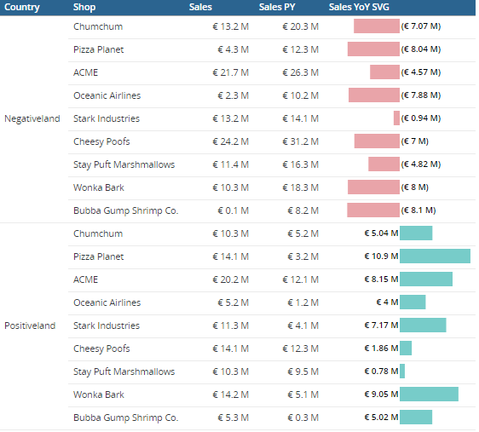 | Piotr Janeczek, Mengyuan | Here | Grid-Horizontal Group Chart shows a diffrence between two metrics in a form of a horizontal bar with values on the sides. It can show both positive and negative values. |  |  |  |  | 2 Metrics: Subtracts 2nd from the 1st 2 Colors: negative bar, positive bar 3 Support Metrics: J18, J19, J20 | BarAvgStepComp1 | Sum([Metric 1]){~+}-Sum([Metric 2]){~+} | Sum([AvgSteps]){~+}-Sum([AvgStep LM]){~+} | AvgSteps | AvgStep LM |  |  |  |  | #E9A4A9 | #77CCC9
 |  |  |  |  |  |  |  |  |  |  | Max AvgStepBar | Max(Sum([Metric 1]){~+}){@cols*} | Max(Sum([BarAvgStepComp1]){~+}){@cols*}
 |  |  |  |  |  |  |  |  |  |  | Min AvgStepBar | Min(Sum([Metric 1]){~+}){@cols*} | Min(Sum([BarAvgStepComp1]){~+}){@cols*}
 |  |  |  |  |  |  |  |  |  |  | Profit YoY SVG | Concat("<svg version='1.1' baseProfile='full' viewBox='0 0 200 20", "' xmlns='http://www.w3.org/2000/svg'><g><title>", ToString<Pattern="""€ ""#,##0;""(€ ""#,##0)">([Metric 1]), "</title>", "<rect height='20' fill='", Case(([Metric 1]<0), "#E9A4A9", "#77CCC9"), "' width='", ((Case((([Metric 3]<0) And ([Metric 2]>0)), 100, 200)*Abs([Metric 1]))/Greatest(Abs([Metric 3]), Abs([Metric 2]))), "' x='", (Case((([Metric 3]<0) And ([Metric 2]>0)), 1, 2)*(Case(([Metric 3]<0), 100, 0)+Case(([Metric 1]<0), (((-1*100)*Abs([Metric 1]))/Greatest(Abs([Metric 3]), Abs([Metric 2]))), 0))), "' />", "<g transform='translate(", (Case(([Metric 3]<0), 100, 0)*Case((([Metric 3]<0) And ([Metric 2]>0)), 1, 2)), ",2)'><text x='0' y='12' transform='translate(", Case((([Metric 3]<0) And ([Metric 2]>0)), ((-2*[Metric 1])/Abs([Metric 1])), ([Metric 1]<0), -2, 2), ",-1.35)' font-size='12' dominant-baseline='middle' font-weight='bold' text-anchor='", Case(((([Metric 1]<0) And ([Metric 2]>0)) Or (([Metric 1]>0) And ([Metric 3]>0))), "start", "end"), "'> ", Case(([Metric 1]<0), ToString<Pattern="""(€ ""0,,.## M)">((-1*[Metric 1])), ToString<Pattern="""€ ""0,,.## M">([Metric 1])), " </text></g></g>", "</svg>") | Concat("<svg version='1.1' baseProfile='full' viewBox='0 0 200 20", "' xmlns='http://www.w3.org/2000/svg'><g><title>", ToString<Pattern="""€ ""#,##0;""(€ ""#,##0)">([BarAvgStepComp1]), "</title>", "<rect height='20' fill='", Case(([BarAvgStepComp1]<0), "#E9A4A9", "#77CCC9"), "' width='", ((Case((([Min AvgStepBar]<0) And ([Max AvgStepBar]>0)), 100, 200)*Abs([BarAvgStepComp1]))/Greatest(Abs([Min AvgStepBar]), Abs([Max AvgStepBar]))), "' x='", (Case((([Min AvgStepBar]<0) And ([Max AvgStepBar]>0)), 1, 2)*(Case(([Min AvgStepBar]<0), 100, 0)+Case(([BarAvgStepComp1]<0), (((-1*100)*Abs([BarAvgStepComp1]))/Greatest(Abs([Min AvgStepBar]), Abs([Max AvgStepBar]))), 0))), "' />", "<g transform='translate(", (Case(([Min AvgStepBar]<0), 100, 0)*Case((([Min AvgStepBar]<0) And ([Max AvgStepBar]>0)), 1, 2)), ",2)'><text x='0' y='12' transform='translate(", Case((([Min AvgStepBar]<0) And ([Max AvgStepBar]>0)), ((-2*[BarAvgStepComp1])/Abs([BarAvgStepComp1])), ([BarAvgStepComp1]<0), -2, 2), ",-1.35)' font-size='12' dominant-baseline='middle' font-weight='bold' text-anchor='", Case(((([BarAvgStepComp1]<0) And ([Max AvgStepBar]>0)) Or (([BarAvgStepComp1]>0) And ([Min AvgStepBar]>0))), "start", "end"), "'> ", Case(([BarAvgStepComp1]<0), ToString<Pattern="""(€ ""0,,.## M)">((-1*[BarAvgStepComp1])), ToString<Pattern="""€ ""0,,.## M">([BarAvgStepComp1])), " </text></g></g>", "</svg>")
2 | 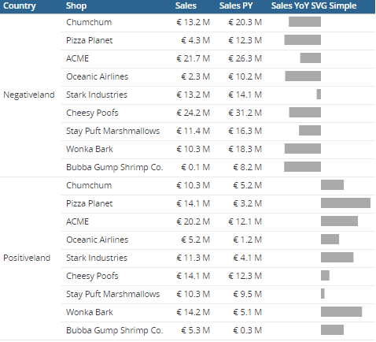 Grid-Horizontal-Group Chart 2 |  | Piotr Janeczek, Mengyuan | Here | Grid-Horizontal Group Chart 2 is a simpler version of the above with no color distinction and values on the sides. |  |  |  |  | 2 Metrics: Subtracts 2nd from the 1st 1 Colors: bar color 3 Support Metrics: J22, J23, J24 | Profit YoY | Sum([Metric 1]){~+}-Sum([Metric 2]){~+} | Sum([Profit CY]){~+}-Sum([Profit PY]){~+} | Profit CY | Profit PY |  |  |  |  | #aaa
 |  |  |  |  |  |  |  |  |  |  | Max Profit YoY | Max(Sum([Metric 1]){~+}){@cols*} | Max(Sum([Profit YoY]){~+}){@cols*}
 |  |  |  |  |  |  |  |  |  |  | Min Profit YoY | Min(Sum([Metric 1]){~+}){@cols*} | Min(Sum([Profit YoY]){~+}){@cols*}
 |  |  |  |  |  |  |  |  |  |  | Sales YoY SVG Simple | Concat(" <svg version='1.1' baseProfile='full' viewBox='", Case(([Metric 3]<0), -100, 0), " 0 ", Case((([Metric 3]<0) And ([Metric 2]>0)), 200, 100), " ", Case((([Metric 3]<0) And ([Metric 2]>0)), 20, 10), "' xmlns='http://www.w3.org/2000/svg'>", "<rect height='20' fill='color 1' width='", ((100*Abs([Metric 1]))/Greatest(Abs([Metric 3]), Abs([Metric 2]))), "' x='", Case(([Metric 1]<0), (((-1*100)*Abs([Metric 1]))/Greatest(Abs([Metric 3]), Abs([Metric 2]))), 0), "' />", "</svg>") | Concat(" <svg version='1.1' baseProfile='full' viewBox='", Case(([Min Profit YoY]<0), -100, 0), " 0 ", Case((([Min Profit YoY]<0) And ([Max Profit YoY]>0)), 200, 100), " ", Case((([Min Profit YoY]<0) And ([Max Profit YoY]>0)), 20, 10), "' xmlns='http://www.w3.org/2000/svg'>", "<rect height='20' fill='#aaa' width='", ((100*Abs([Profit YoY]))/Greatest(Abs([Min Profit YoY]), Abs([Max Profit YoY]))), "' x='", Case(([Profit YoY]<0), (((-1*100)*Abs([Profit YoY]))/Greatest(Abs([Min Profit YoY]), Abs([Max Profit YoY]))), 0), "' />", "</svg>")
3 | Horizontal Forecast Chart | 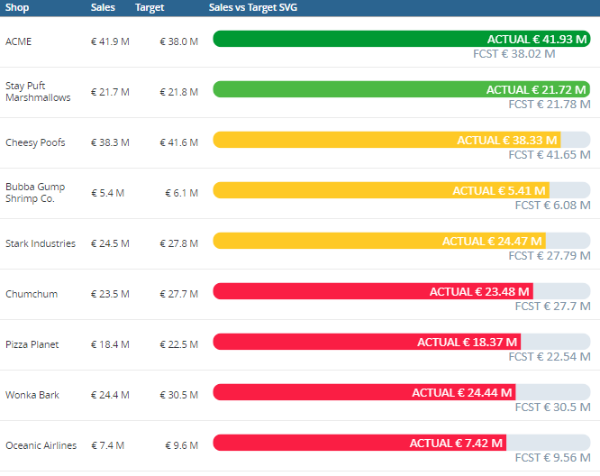 | Piotr Janeczek, Mengyuan | Here | Horizontal Forecast creates a horizontal bar which compares value of a metric with a target and sets colors acording to set criteria. |  | Black line goes through the bars dividing them in half. |  |  | 4 Metrics: bar lengths and threshold levels 7 Colors: target text, unfulfilled target, fill below 1st threshold, fill between 1st and 2nd threshold, fill between 2nd threshold and target, fill above target, text 1 Support Metric: used for sorting | Sort Sales vs Target | Metric 1/Metric 2 | [Profit CY]/[Profit Bud] | [Profit CY] | [Profit Bud] | 0.85 | 0.95 |  |  | #8396AA | #DFE7EE | #FA1E44 | #FEC925 | #4CB944 | #009933 | #fff
 |  |  |  |  |  |  |  |  |  |  | Sales vs Target SVG | Concat("<svg version='1.1' baseProfile='full' viewBox='-1 0 410 44' xmlns='http://www.w3.org/2000/svg'><path d='M9 20 L", Case((Metric 1<Metric 2), 400, ((400*Metric 2)/Metric 1)), " 20' stroke='#DFE7EE' stroke-linecap='round' stroke-width='18'/><path d='M9 20 L", Case((Metric 1<Metric 2), ((400*Metric 1)/Metric 2), 400), " 20' stroke='", Case(((Metric 1/Metric 2)<Metric 3), "#FA1E44", ((Metric 1/Metric 2)<Metric 4), "#FEC925", ((Metric 1/Metric 2)<1), "#4CB944", "#009933"), "' stroke-linecap='round' stroke-width='18'/><text transform='translate(-1,2)' x='", Case((Metric 1<Metric 2), ((400*Metric 1)/Metric 2), 400), "' y='20' font-size='13' dominant-baseline='middle' text-anchor='end' font-family='calibri, sans-serif' fill='#fff'>ACTUAL ", ToString<Pattern="""$ ""0,,.## M">(Metric 1), "</text><text x='", Case((Metric 1<Metric 2), 400, ((400*Metric 2)/Metric 1)), "' y='40' font-size='13' dominant-baseline='middle' text-anchor='end' font-family='calibri, sans-serif' fill='#8396AA'>FCST ", ToString<Pattern="""$ ""0,,.## M">(Metric 2), "</text></svg>") | Concat("<svg version='1.1' baseProfile='full' viewBox='-1 0 410 44' xmlns='http://www.w3.org/2000/svg'><path d='M9 20 L", Case(([Profit CY]<[Profit Bud]), 400, ((400*[Profit Bud])/[Profit CY])), " 20' stroke='#DFE7EE' stroke-linecap='round' stroke-width='18'/><path d='M9 20 L", Case(([Profit CY]<[Profit Bud]), ((400*[Profit CY])/[Profit Bud]), 400), " 20' stroke='", Case((([Profit CY]/[Profit Bud])<0.85), "#FA1E44", (([Profit CY]/[Profit Bud])<0.95), "#FEC925", (([Profit CY]/[Profit Bud])<1), "#4CB944", "#009933"), "' stroke-linecap='round' stroke-width='18'/><text transform='translate(-1,2)' x='", Case(([Profit CY]<[Profit Bud]), ((400*[Profit CY])/[Profit Bud]), 400), "' y='20' font-size='13' dominant-baseline='middle' text-anchor='end' font-family='calibri, sans-serif' fill='#fff'>ACTUAL ", ToString<Pattern="""$ ""0,,.## M">([Profit CY]), "</text><text x='", Case(([Profit CY]<[Profit Bud]), 400, ((400*[Profit Bud])/[Profit CY])), "' y='40' font-size='13' dominant-baseline='middle' text-anchor='end' font-family='calibri, sans-serif' fill='#8396AA'>FCST ", ToString<Pattern="""$ ""0,,.## M">([Profit Bud]), "</text></svg>")
4 | Horizontal Forecast Chart 2 | 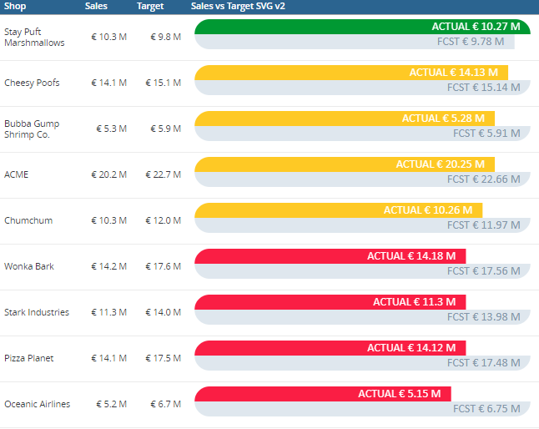 | Piotr Janeczek | Here | Horizontal Forecast 2 creates a horizontal bar which compares value of a metric with a target and sets colors acording to set criteria. |  | Some bars receive an extra line on top of them that doesn't go along with the curvature. |  | Shows up but no curvatue on the sides & text is invisible. | 4 Metrics: bar lengths and threshold levels 7 Colors: target text, unfulfilled target, fill below 1st threshold, fill between 1st and 2nd threshold, fill between 2nd threshold and target, fill above target, text 1 Support Metric: used for sorting | Sort Sales vs Target | Metric 1/Metric 2 | [Federal Funding %]/[Federal Funding % Target] | [Federal Funding %] | [Federal Funding % Target] | 0.85 | 0.95 |  |  | #8396AA | #DFE7EE | #FA1E44 | #FEC925 | #4CB944 | #009933 | #fff
 |  |  |  |  |  |  |  |  |  |  | Sales vs Target SVG v2 | Concat("<svg version='1.1' baseProfile='full' viewBox='-1 0 102 11' xmlns='http://www.w3.org/2000/svg'><mask id='rounded'><line x1='4.5' y1='5' x2='95.5' y2='5' stroke='color 7' stroke-linecap='round' stroke-width='9'/></mask><g mask='url(#rounded)'><rect x='0' y='5' width='", Case(([Metric 1]<[Metric 2]), 100, ((100*[Metric 2])/[Metric 1])), "' height='5' fill='color 2' stroke-width='0'/><g><rect x='0' y='0' width='", Case(([Metric 1]<[Metric 2]), ((100*[Metric 1])/[Metric 2]), 100), "' height='5' fill='", Case((([Metric 1]/[Metric 2])<Metric 3), "color 3", (([Metric 1]/[Metric 2])<Metric 4), "color 4", (([Metric 1]/[Metric 2])<1), "color 5", "color 6"), "' stroke-width='0'/></g><text transform='translate(-3,0.5)' x='", Case(([Metric 1]<[Metric 2]), ((100*[Metric 1])/[Metric 2]), 100), "' y='2.5' font-size='3.5' dominant-baseline='middle' text-anchor='end' font-family='calibri, sans-serif' fill='color 7'>ACTUAL ", ToString<Pattern="""€ ""0,,.## M">([Metric 1]), "</text></g><text x='", (Case(([Metric 1]<[Metric 2]), 100, ((100*[Metric 2])/[Metric 1]))-3), "' y='7.5' font-size='3.5' dominant-baseline='middle' text-anchor='end' font-family='calibri, sans-serif' fill='color 1'>FCST ", ToString<Pattern="""€ ""0,,.## M">([Metric 2]), "</text></svg>") | Concat("<svg version='1.1' baseProfile='full' viewBox='-1 0 102 11' xmlns='http://www.w3.org/2000/svg'><mask id='rounded'><line x1='4.5' y1='5' x2='95.5' y2='5' stroke='#fff' stroke-linecap='round' stroke-width='9'/></mask><g mask='url(#rounded)'><rect x='0' y='5' width='", Case(([[Federal Funding %]]<[[Federal Funding % Target]]), 100, ((100*[[Federal Funding % Target]])/[[Federal Funding %]])), "' height='5' fill='#DFE7EE' stroke-width='0'/><g><rect x='0' y='0' width='", Case(([[Federal Funding %]]<[[Federal Funding % Target]]), ((100*[[Federal Funding %]])/[[Federal Funding % Target]]), 100), "' height='5' fill='", Case((([[Federal Funding %]]/[[Federal Funding % Target]])<0.85), "#FA1E44", (([[Federal Funding %]]/[[Federal Funding % Target]])<0.95), "#FEC925", (([[Federal Funding %]]/[[Federal Funding % Target]])<1), "#4CB944", "#009933"), "' stroke-width='0'/></g><text transform='translate(-3,0.5)' x='", Case(([[Federal Funding %]]<[[Federal Funding % Target]]), ((100*[[Federal Funding %]])/[[Federal Funding % Target]]), 100), "' y='2.5' font-size='3.5' dominant-baseline='middle' text-anchor='end' font-family='calibri, sans-serif' fill='#fff'>ACTUAL ", ToString<Pattern="""€ ""0,,.## M">([[Federal Funding %]]), "</text></g><text x='", (Case(([[Federal Funding %]]<[[Federal Funding % Target]]), 100, ((100*[[Federal Funding % Target]])/[[Federal Funding %]]))-3), "' y='7.5' font-size='3.5' dominant-baseline='middle' text-anchor='end' font-family='calibri, sans-serif' fill='#8396AA'>FCST ", ToString<Pattern="""€ ""0,,.## M">([[Federal Funding % Target]]), "</text></svg>")
5 | Lipstick Chart | 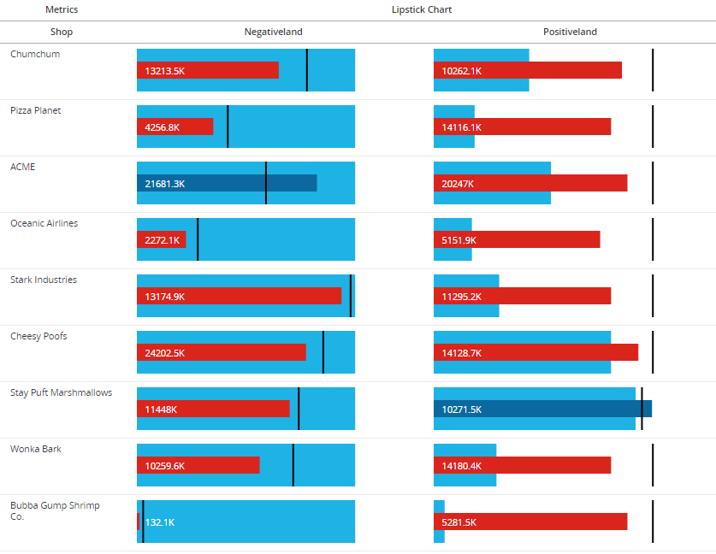 | Tomasz Pawilojc | Here | Lipstick Chart shows three layers of data. In this example the data is divided as follows: Think inside bar: Sales Thick outside bar: Sales from previous year Black line: Target sales |  |  |  |  | 3 Metrics: small bar, large bar, ticker 5 Colors: small bar negative threshold, small bar positive threashold, large bar, text, ticker | Lipstick Chart | Concat("<svg width='100%' height='50'><rect x = '0%' fill='color 1' width='", Round(Abs((([Metric 2]/(Greatest([Metric 1], [Metric 2], [Metric 3])*1.25))*100))), "%' height='100%' y = '0'></rect><rect fill='", IF(([Metric 1]>=[Metric 3]), "color 2", "color 3"), "' width='", Round(Abs((([Metric 1]/(Greatest([Metric 1], [Metric 2], [Metric 3])*1.25))*100))), "%' height='40%' x = '0%' y = '15'></rect>", "<text x='3%' y = '30' fill='color 4'>", Round2(([Metric 1]/1000), 1), "K", "</text>", "<rect fill='color 5' width='2' height='100%' x='", Round(Abs((([Metric 3]/(Greatest([Metric 1], [Metric 2], [Metric 3])*1.25))*100))), "%' y='0'></rect>", "</svg>") | Concat("<svg width='100%' height='50'><rect x = '0%' fill='#d4d4d4' width='", Round(Abs((([TG Sales Value LW]/(Greatest([TG Sales Value], [TG Sales Value LW], [TG Sales Value LY])*1.25))*100))), "%' height='100%' y = '0'></rect><rect fill='", IF(([TG Sales Value]>=[TG Sales Value LY]), "#e8ae44", "#d9232e"), "' width='", Round(Abs((([TG Sales Value]/(Greatest([TG Sales Value], [TG Sales Value LW], [TG Sales Value LY])*1.25))*100))), "%' height='40%' x = '0%' y = '15'></rect>", "<text x='3%' y = '30' fill='black'>", Round2(([TG Sales Value]/1000), 1), "K", "</text>", "<rect fill='black' width='2' height='100%' x='", Round(Abs((([TG Sales Value LY]/(Greatest([TG Sales Value], [TG Sales Value LW], [TG Sales Value LY])*1.25))*100))), "%' y='0'></rect>", "</svg>") | TG Sales Value | TG Sales Value LW | TG Sales Value LY |  |  |  | #d9232e | #e8ae44 | #d4d4d4 | black | black
6 | Lipstick Chart with gear | 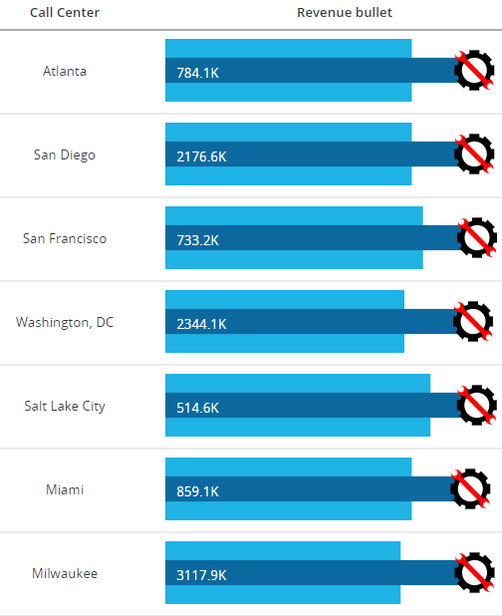 | Tomasz Pawilojc |  | Lipstick Chart shows three layers of data. In this example the data is divided as follows: Think inside bar: Sales Thick outside bar: Sales from previous year Gear picture: Target sales |  |  |  |  | 3 Metrics: small bar, large bar, ticker 4 Colors: small bar negative threshold, small bar positive threashold, large bar, text | Lipstick Chart | Concat("<svg width='100%' height='50'><rect x = '0%' fill='color 1' width='", Round(Abs((([Metric 2]/(Greatest([Metric 1], [Metric 2], [Metric 3])*1.25))*100))), "%' height='100%' y = '0'></rect><rect fill='", IF(([Metric 1]>=[Metric 3]), "color 2", "color 3"), "' width='", Round(Abs((([Metric 1]/(Greatest([Metric 1], [Metric 2], [Metric 3])*1.25))*100))), "%' height='40%' x = '0%' y = '15'></rect>", "<text x='3%' y = '30' fill='color 4'>", Round2(([Metric 1]/1000), 1), "K", "</text>", "<g transform='translate(", Round2(Abs((([Revenue Target]/(Greatest(Revenue, [Last Year's Revenue], [Revenue Target])*1.25))*300)), 1), ",5) scale(0.4)'>", "<circle cx='50' cy='50' r='30' stroke='black' stroke-width='10' fill='white'/>", " <path d= 'M 40 80 L 40 90 L 60 90 L 60 80 Z'/>", " <path d= 'M 40 80 L 40 90 L 60 90 L 60 80 Z' transform='rotate(45,50,50)' />", " <path d= 'M 40 80 L 40 90 L 60 90 L 60 80 Z' transform='rotate(90,50,50)' />", " <path d= 'M 40 80 L 40 90 L 60 90 L 60 80 Z' transform='rotate(135,50,50)' />", " <path d= 'M 40 80 L 40 90 L 60 90 L 60 80 Z' transform='rotate(180,50,50)' />", " <path d= 'M 40 80 L 40 90 L 60 90 L 60 80 Z' transform='rotate(225,50,50)' />", " <path d= 'M 40 80 L 40 90 L 60 90 L 60 80 Z' transform='rotate(270,50,50)' />", " <path d= 'M 40 80 L 40 90 L 60 90 L 60 80 Z' transform='rotate(315,50,50)' />", " <path d= 'M 18 45 L 18 55 L 82 55 L 82 45 Z' transform='rotate(45,50,50)' fill='red'/>", " <circle cx='10' cy='50' r='10' fill='red' transform='rotate(45,50,50)' />", " <circle cx='90' cy='50' r='10' fill='red' transform='rotate(45,50,50)' />", " <circle cx='5' cy='50' r='6' fill='white' transform='rotate(45,50,50)' />", " <circle cx='95' cy='50' r='6' fill='white' transform='rotate(45,50,50)' />", "</g>", "</svg>") | Concat("<svg width='100%' height='50'><rect x = '0%' fill='#1fb2e5' width='", Round(Abs((([Sales PY]/(Greatest([Sales], [Sales PY], [Target])*1.25))*100))), "%' height='100%' y = '0'></rect><rect fill='", IF(([Sales]>=[Target]), "#0b699f", "#da251d"), "' width='", Round(Abs((([Sales]/(Greatest([Sales], [Sales PY], [Target])*1.25))*100))), "%' height='40%' x = '0%' y = '15'></rect>", "<text x='3%' y = '30' fill='white'>", Round2(([Sales]/1000), 1), "K", "</text>", "<g transform='translate(", Round2(Abs((([Revenue Target]/(Greatest(Revenue, [Last Year's Revenue], [Revenue Target])*1.25))*300)), 1), ",5) scale(0.4)'>", "<circle cx='50' cy='50' r='30' stroke='black' stroke-width='10' fill='white'/>", " <path d= 'M 40 80 L 40 90 L 60 90 L 60 80 Z'/>", " <path d= 'M 40 80 L 40 90 L 60 90 L 60 80 Z' transform='rotate(45,50,50)' />", " <path d= 'M 40 80 L 40 90 L 60 90 L 60 80 Z' transform='rotate(90,50,50)' />", " <path d= 'M 40 80 L 40 90 L 60 90 L 60 80 Z' transform='rotate(135,50,50)' />", " <path d= 'M 40 80 L 40 90 L 60 90 L 60 80 Z' transform='rotate(180,50,50)' />", " <path d= 'M 40 80 L 40 90 L 60 90 L 60 80 Z' transform='rotate(225,50,50)' />", " <path d= 'M 40 80 L 40 90 L 60 90 L 60 80 Z' transform='rotate(270,50,50)' />", " <path d= 'M 40 80 L 40 90 L 60 90 L 60 80 Z' transform='rotate(315,50,50)' />", " <path d= 'M 18 45 L 18 55 L 82 55 L 82 45 Z' transform='rotate(45,50,50)' fill='red'/>", " <circle cx='10' cy='50' r='10' fill='red' transform='rotate(45,50,50)' />", " <circle cx='90' cy='50' r='10' fill='red' transform='rotate(45,50,50)' />", " <circle cx='5' cy='50' r='6' fill='white' transform='rotate(45,50,50)' />", " <circle cx='95' cy='50' r='6' fill='white' transform='rotate(45,50,50)' />", "</g>", "</svg>") | Sales | Sales PY | Target |  |  |  | #da251d | #0b699f | #1fb2e5 | white
7 | Cigarette Chart | 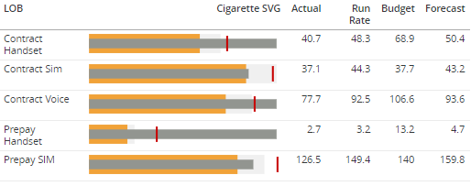 | Piotr Janeczek Requestor: Matt Pepper | Here | Cigarette Chart shows four layers of data, each on can be highlighted to display metic name and value. In this example the data is divided as follows: Thin inside bar: Budget Thick outside bar (orange): Actual Thick outside bar (grey): Run Rate Ticker: Forecast |  |  |  |  | 4 Metrics: Thick outside bar (orange), Thick outside bar (grey), Thin inside bar, ticker 5 Colors: Thick ouside bar (grey), thick outside bar (orange), ticker, thin inside bar, highlight | Cigarette SVG | Concat("<svg id='cig_", Max<UseLookupForAttributes=False>(LOB@ID){~+}, "' version='1.1' baseProfile='full' viewBox='-2 -0.5 104 11' xmlns='http://www.w3.org/2000/svg'><style>#cig_", Max<UseLookupForAttributes=False>(LOB@ID){~+}, " rect:hover {stroke-width:0.3; stroke:color 5}</style><rect x='0' y='0' width='", ((100*[Metric 2])/Greatest(Metric 1, Metric 3, Metric 4, [Metric 2])), "' height='10' fill='color 1'><title>Metric 2: ", ToString<Pattern="#,##0.0">([Metric 2]), "</title></rect><rect x='0' y='0' width='", ((100*Metric 1)/Greatest(Metric 1, Metric 3, Metric 4, [Metric 2])), "' height='10' fill='color 2'><title>Metric 1: ", ToString<Pattern="#,##0.0">(Metric 1), "</title></rect><rect x='0' y='2.5' width='", ((100*Metric 3)/Greatest(Metric 1, Metric 3, Metric 4, [Metric 2])), "' height='5' fill='color 4'><title>Metric 3: ", ToString<Pattern="#,##0.0">(Metric 3), "</title></rect><rect x='", ((100*Metric 4)/Greatest(Metric 1, Metric 3, Metric 4, [Metric 2])), "' y='1' width='1' height='8' fill='color 3'><title>Metric 4 : ", ToString<Pattern="#,##0.0">(Metric 4), "</title></rect></svg>") | Concat("<svg id='cig_", Max<UseLookupForAttributes=False>(LOB@ID){~+}, "' version='1.1' baseProfile='full' viewBox='-2 -0.5 104 11' xmlns='http://www.w3.org/2000/svg'><style>#cig_", Max<UseLookupForAttributes=False>(LOB@ID){~+}, " rect:hover {stroke-width:0.3; stroke:#222}</style><rect x='0' y='0' width='", ((100*[Budget])/Greatest(Actual, Run Rate, Forecast, [Budget])), "' height='10' fill='#f0f0f0'><title>Budget: ", ToString<Pattern="#,##0.0">([Budget]), "</title></rect><rect x='0' y='0' width='", ((100*Actual)/Greatest(Actual, Run Rate, Forecast, [Budget])), "' height='10' fill='#F1A238'><title>Actual: ", ToString<Pattern="#,##0.0">(Actual), "</title></rect><rect x='0' y='2.5' width='", ((100*Run Rate)/Greatest(Actual, Run Rate, Forecast, [Budget])), "' height='5' fill='#929590'><title>Run Rate: ", ToString<Pattern="#,##0.0">(Run Rate), "</title></rect><rect x='", ((100*Forecast)/Greatest(Actual, Run Rate, Forecast, [Budget])), "' y='1' width='1' height='8' fill='#C80000'><title>Forecast : ", ToString<Pattern="#,##0.0">(Forecast), "</title></rect></svg>") | Actual | Budget | Run Rate | Forecast |  |  | #f0f0f0 | #F1A238 | #C80000 | #929590 | #222
8 | Threshold Chart | 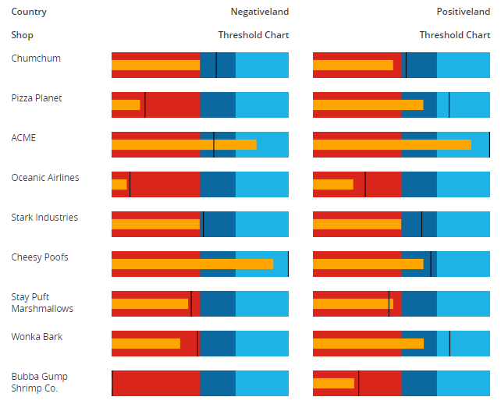 | Michał Janowski | Here | Threshold Chart shows three layers of data with one acting as a treshold area. In this example the data is divided as follows: Thin inside bar: Sales Thick outside bar: Higher value between maximum target for that year and maximum sales divided into 50%, 70% thresholds Black line: Target sales |  |  |  |  | 2 Metrics: small bar, ticker 2 numbers (0>1): to set the tresholds of the large bar 2 Support metrics: L4 & L5 used to figure out the length of the large bar 5 Colors: highest threshold, middle threshold, lowest threshold, small bar, ticker | Max Sales | Max(Sum([Metric 1]){~+}){@cols*} | Max(Sum([Profit CY]){~+}){@cols*} | Profit CY | Profit Bud | 0.5 | 0.7 |  |  | #337ab7 | #279bdc | #f0f8ff | #8a7121 | #333333
 |  |  |  |  |  |  |  |  |  |  | Max Target | Max(Sum([Metric 2]){~+}){@cols*} | Max(Sum([Profit Bud]){~+}){@cols*}
 |  |  |  |  |  |  |  |  |  |  | Threshold Chart | Concat("<svg width='100%' height='30'><rect fill='color 1' width='100%' height='100%'></rect><rect fill='color 2' width='", Case(([Metric 3]>[Metric 4]), ((([Metric 3]*Metric 6)/[Metric 3])*100), ((([Metric 4]*Metric 6)/[Metric 4])*100)), "%' height='100%'></rect><rect fill='color 3' width='", Case(([Metric 3]>[Metric 4]), ((([Metric 3]*Metric 5)/[Metric 3])*100), ((([Metric 4]*Metric 5)/[Metric 4])*100)), "%' height='100%'></rect><rect fill='color 4' width='", Case(([Metric 3]>[Metric 4]), (([Metric 1]/[Metric 3])*100), (([Metric 1]/[Metric 4])*100)), "%' height='40%' y='9'></rect><rect fill='color 5' x='", Case(([Metric 3]>[Metric 4]), ((([Metric 2]/[Metric 3])*100)-Metric 5), ((([Metric 2]/[Metric 4])*100)-Metric 5)), "%' width='Metric 5%' height='100%'></rect></svg>") | Concat("<svg width='100%' height='30'><rect fill='#337ab7' width='100%' height='100%'></rect><rect fill='#279bdc' width='", Case(([Max Sales]>[Max Target]), ((([Max Sales]*0.7)/[Max Sales])*100), ((([Max Target]*0.7)/[Max Target])*100)), "%' height='100%'></rect><rect fill=' #f0f8ff' width='", Case(([Max Sales]>[Max Target]), ((([Max Sales]*0.5)/[Max Sales])*100), ((([Max Target]*0.5)/[Max Target])*100)), "%' height='100%'></rect><rect fill='#8a7121' width='", Case(([Max Sales]>[Max Target]), (([Profit CY]/[Max Sales])*100), (([Profit CY]/[Max Target])*100)), "%' height='40%' y='9'></rect><rect fill='#333333' x='", Case(([Max Sales]>[Max Target]), ((([Profit Bud]/[Max Sales])*100)-0.5), ((([Profit Bud]/[Max Target])*100)-0.5)), "%' width='0.5%' height='100%'></rect></svg>")
9 | Ring Chart | 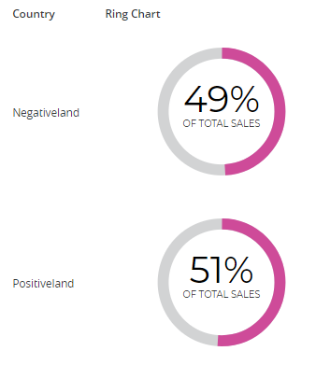 | Piotr Janeczek, Michał Janowski, Mengyuan | Here | Ring Chart can show percentage (between 0-100%) of target fulfillment. |  |  |  |  | 1 Metric: number and circle fill 1 Level: aggregation for all values 3 Colors: cirlce inside, unfilled area, filled area 1 Label: text inside the circle 1 Support metric: L25 | Sales All | Sum([Metric 1]){~+, !Level%} | Sum([Sales]){~+, !Country%} | Sales |  |  |  |  | Country | #ffffff | #d2d3d4 | #ce4b99 |  |  |  |  | OF TOTAL SALES
 |  |  |  |  |  |  |  |  |  |  | Ring Chart | Concat("<svg width='100%' height='100%' viewBox='0 0 42 42' class='donut'>", "<style>@import url(https://fonts.googleapis.com/css?family=Montserrat:400);", ".chart-text{font: 10px/1.4em 'Montserrat', Arial, sans-serif;fill:#000; }", ".chart-number{ font-size 0.6em; line-height:1; }", ".chart-label {font-size:0.25em;}</style>", "<circle class='donut-hole' cx='21' cy='21' r='15.91549430918954' fill='#ffffff'></circle><circle class='donut-ring' cx='21' cy='21' r='15.91549430918954' fill='transparent' stroke='#d2d3d4' stroke-width='3'></circle><circle class='donut-segment' transform='rotate(-90 21 21)' cx='21' cy='21' r='15.91549430918954' fill='transparent' stroke='#ce4b99' stroke-width='3' stroke-dasharray='", Round(((100*Metric 1)/[Metric 2])), " ", Round((100-((100*Metric 1)/[Metric 2]))), "'></circle><!--unused 10% --><g class='chart-text'><text x='21' y='21' class='chart-number' style='font-size:10;text-anchor:middle'>", Round2(((Metric 1/[Metric 2])*100), 1), "%", "</text><text x='21' y='26' class='chart-label' style='font-size:2.5;text-anchor:middle'>", "Label", "</text></g>", "</svg>") | Concat("<svg width='100%' height='100%' viewBox='0 0 42 42' class='donut'>", "<style>@import url(https://fonts.googleapis.com/css?family=Montserrat:400);", ".chart-text{font: 10px/1.4em 'Montserrat', Arial, sans-serif;fill:#000; }", ".chart-number{ font-size 0.6em; line-height:1; }", ".chart-label {font-size:0.25em;}</style>", "<circle class='donut-hole' cx='21' cy='21' r='15.91549430918954' fill='#ffffff'></circle><circle class='donut-ring' cx='21' cy='21' r='15.91549430918954' fill='transparent' stroke='#d2d3d4' stroke-width='3'></circle><circle class='donut-segment' transform='rotate(-90 21 21)' cx='21' cy='21' r='15.91549430918954' fill='transparent' stroke='#ce4b99' stroke-width='3' stroke-dasharray='", Round(((100*Sales)/[Sales All])), " ", Round((100-((100*Sales)/[Sales All]))), "'></circle><!--unused 10% --><g class='chart-text'><text x='21' y='21' class='chart-number' style='font-size:10;text-anchor:middle'>", Round2(((Sales/[Sales All])*100), 1), "%", "</text><text x='21' y='26' class='chart-label' style='font-size:2.5;text-anchor:middle'>", "OF TOTAL SALES", "</text></g>", "</svg>")
10 | Grid-Pie Chart | 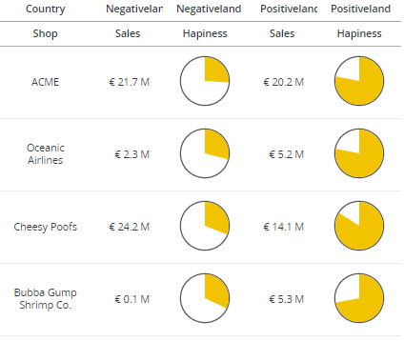 | Piotr Janeczek | Here | Grid-Pie Chart displays % metric in a form of a small pie chart. |  |  |  |  | 1 Metric: % of pie to be filled 1 Color: fill color 1 Support metric: L24 | Hapiness Pie Alpha | ((Avg([Metric 1]){~+}*2)*2)*Asin(1) | ((Avg([Hapiness]){~+}*2)*2)*Asin(1) | Hapiness |  |  |  |  |  | #f2c300
 |  |  |  |  |  |  |  |  |  |  | Hapiness Pie SVG | Concat("<svg baseProfile='full' viewBox='0 0 24 24 ' xmlns='http://www.w3.org/2000/svg'><title>", ToString<Pattern="0.00%">([Avg ([Metric 1])]), "</title>", "<circle transform='translate(12,12)' cx='0' cy='0' r='10.25' stroke='#555' stroke-width='0.5' fill='transparent' />", "<g transform='translate(12,12)'><path d='M0,-10 A10,10 0 ", Case(((([Avg ([Metric 1])]*2)*2)*Asin(1)>(2*Asin(1))), 1, 0), ",1 ", (10*Sin((([Avg ([Metric 1])]*2)*2)*Asin(1))), ",", (-10*Cos((([Avg ([Metric 1])]*2)*2)*Asin(1))), " L0,0 z' fill='color 1' /></g>", "</svg>") | Concat("<svg baseProfile='full' viewBox='0 0 24 24 ' xmlns='http://www.w3.org/2000/svg'><title>", ToString<Pattern="0.00%">([Avg ([Hapiness])]), "</title>", "<circle transform='translate(12,12)' cx='0' cy='0' r='10.25' stroke='#555' stroke-width='0.5' fill='transparent' />", "<g transform='translate(12,12)'><path d='M0,-10 A10,10 0 ", Case(((([Avg ([Hapiness])]*2)*2)*Asin(1)>(2*Asin(1))), 1, 0), ",1 ", (10*Sin((([Avg ([Hapiness])]*2)*2)*Asin(1))), ",", (-10*Cos((([Avg ([Hapiness])]*2)*2)*Asin(1))), " L0,0 z' fill='#f2c300' /></g>", "</svg>")
11 | Grid-Horizontal Chart | 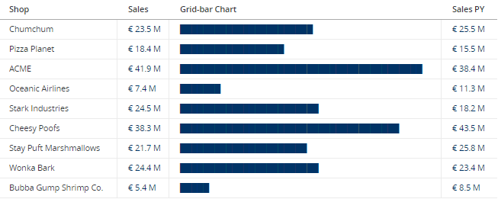 | Chris McGovern | Here | Grid-Horizontal Chart can be used inside a grid so it can be useful alternative to normal horizontal bar chart. |  |  |  |  | 1 Metric: sets bar length Color can be changed inside dossier; stays the same as colors of the values | Grid-Horizontal | RepeatStr("█", [Metric 1]/1000000) | RepeatStr("█", [Target-Sales]/1000000) | Target-Sales
12 | Grid-Horizontal Chart 2 | 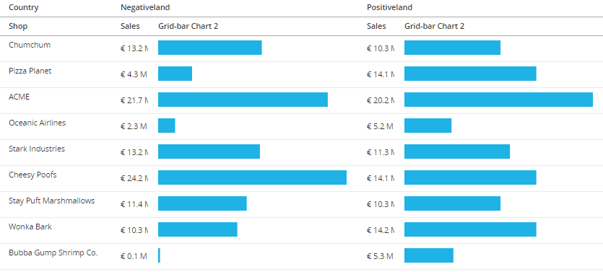 | Bartlomiej Obolewicz, Piotr Barszcz, Piotr Janeczek, Michał Janowski | Here | Grid-Horizontal Chart 2 is similar to above, but this time no concatinating is needed - so no small vertical lines will be visible. |  |  |  |  | 1 Metric: sets bar length 1 Level: aggregation for max value 1 Color: bar color 1 Support Metric: J12 | Max Sales | Max(Sum([Metric 1]){~+}){@cols*} | Max(Sum([Sales]){~+}){@cols*} | Sales |  |  |  |  | Country | #114885
 |  |  |  |  |  |  |  |  |  |  | Grid-Horizontal 2 | Concat("<svg width='100%' height='20'><rect fill='#1fb2e5' width='", Round([Metric 1]/[Max Metric 1]*100), "%' height='100%' y = '%'></rect></svg>") | Concat("<svg width='100%' height='20'><rect fill='#1fb2e5' width='", Round([Sales]/[Max Sales]*100), "%' height='100%' y = '%'></rect></svg>")
13 | Grid-Horizontal Chart 3 (with metric value & dynamic opacity) | 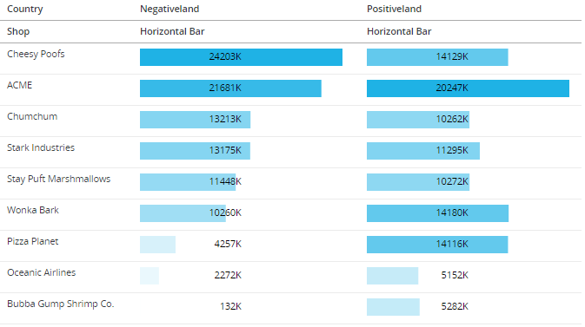 | Tomasz Pawilojc, Michał Janowski | Here | Grid-Horizontal Chart 3 is similar to above but adds a metric value and a dynamic opacity based on that value |  |  |  |  | 1 Metric: sets the bar length 1 Level: aggregation for max value 1 Color: bar color 1 Support Metric: J14 | Max Sales | Max(Sum([Metric 1]){~+}){@cols*} | Max(Sum([Sales]){~+}){@cols*} | Sales |  |  |  |  | Call Center | #1fb2e5
 |  |  |  |  |  |  |  |  |  |  | Grid-Horizontal 3 | Concat("<svg width='100%' height='20'><rect fill='color 1' fill-opacity='",(([Metric 1]/[Metric 2])),"' width='",[Metric 1]/[Metric 2]*100,"%' height='100%' y = '0'></rect>","<text x='50%' y='10' text-anchor='end' alignment-baseline='middle' fill='black'>", Round([Metric 1]/1000), "K","</text>","</svg>") | Concat("<svg width='100%' height='20'><rect fill='#1fb2e5' fill-opacity='",(([Sales]/[Max Sales])),"' width='",[Sales]/[Max Sales]*100,"%' height='100%' y = '0'></rect>","<text x='50%' y='10' text-anchor='end' alignment-baseline='middle' fill='black'>", Round([Sales]/1000), "K","</text>","</svg>")
14 | Min/Max Cell | 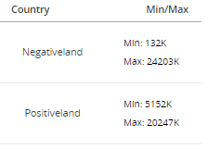 | Michał Janowski | Here | Min/Max Cell can display those two values in one grid cell one on top of another |  |  |  |  | 1 Metric: used to display values 1 Level: aggregation for above metric | Min/Max | Concat("<svg width='70' height='50'>", "<text style='font-size: 10px' x='0' y='20'>", "Min: ", Round2((Min(Metric 1){~+, Level+}/1000), 0), "K", "</text>", "<text style='font-size: 10px' x='0' y='40'>", "Max: ", Round2((Max(Metric 1){~+, Level+}/1000), 0), "K", "</text>", "</svg>") | Concat("<svg width='70' height='50'>", "<text style='font-size: 10px' x='0' y='20'>", "Min: ", Round2((Min(Profit CY){~+, City+}/1000), 0), "K", "</text>", "<text style='font-size: 10px' x='0' y='40'>", "Max: ", Round2((Max(Profit CY){~+, City+}/1000), 0), "K", "</text>", "</svg>") | Profit CY |  |  |  |  | City
15 | MicroChart Bar | 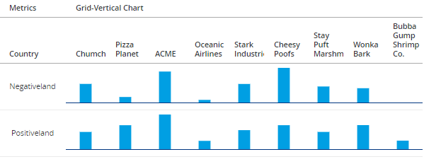 | Michał Janowski Requestor: Chris McNabney | Here | Grid-Vertical Chart adds a vertical chart inside a grid which can be useful in conjunction with other metrics inside that same grid |  |  |  | Bottom line does not connect between cells. | 1 Metric: bar length 1 Level: aggregation for above metric 2 Colors: bar color, line color | MicroChart Bar | Concat("<svg width='100%' height='50' style='transform:scale(2,1) translate(0)'><rect fill='#009fe3' width='50%' x='25%' y='", ((1-(Metric 1/Max(Metric 1){~+, !Level%}))*50), "' height='", ((Metric 1/Max(Metric 1){~+, !Level%})*50), "'></rect><rect fill='#003580' width='100%' y='49' height='1'></rect>", "</svg>") | Concat("<svg width='100%' height='50' style='transform:scale(2,1) translate(0)'><rect fill='#009fe3' width='50%' x='25%' y='", ((1-(Sales/Max(Sales){~+, !Shop%}))*50), "' height='", ((Sales/Max(Sales){~+, !Shop%})*50), "'></rect><rect fill='#003580' width='100%' y='49' height='1'></rect>", "</svg>") | Sales |  |  |  |  | Shop | #009fe3 | #003580
16 | World Clock | 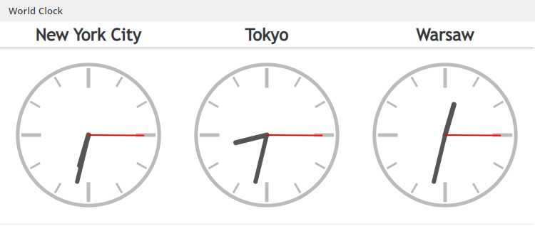 | Piotr Janeczek | Here | World Clock displays a value of a time metric in a form of a moving clock. |  |  |  | Does not open. | 1 Metric: live time metric 3 Colors: clock frame, hour & minute pointers, seconds pointer | World Clock | Concat("<svg baseProfile='full' viewBox=' 0 0 24,24 ' xmlns='http://www.w3.org/2000/svg'><circle transform='translate(12,12)' cx='0' cy='0' r='10' stroke='color 1' stroke-width='0.5' fill='transparent'></circle><g transform='translate(12,12)'>< circle cx='0' cy='0' r='.25' fill='color 1' ></circle><rect x='-0.25' y='-9.5' width='.5' height='2.8' rx='.1' ry='.1' fill='color 1' transform='rotate(0)' /><rect x='-0.25' y='-9.5' width='.5' height='2.8' rx='.1' ry='.1' fill='color 1' transform='rotate(90)' /><rect x='-0.25' y='-9.5' width='.5' height='2.8' rx='.1' ry='.1' fill='color 1' transform='rotate(180)' /><rect x='-0.25' y='-9.5' width='.5' height='2.8' rx='.1' ry='.1' fill='color 1' transform='rotate(270)' /><rect x='-0.15' y='-9.5' width='.3' height='1.6' rx='.1' ry='.1' fill='color 1' transform='rotate(30)' /><rect x='-0.15' y='-9.5' width='.3' height='1.6' rx='.1' ry='.1' fill='color 1' transform='rotate(60)' /><rect x='-0.15' y='-9.5' width='.3' height='1.6' rx='.1' ry='.1' fill='color 1' transform='rotate(120)' /><rect x='-0.15' y='-9.5' width='.3' height='1.6' rx='.1' ry='.1' fill='color 1' transform='rotate(150)' /><rect x='-0.15' y='-9.5' width='.3' height='1.6' rx='.1' ry='.1' fill='color 1' transform='rotate(210)' /><rect x='-0.15' y='-9.5' width='.3' height='1.6' rx='.1' ry='.1' fill='color 1' transform='rotate(240)' /><rect x='-0.15' y='-9.5' width='.3' height='1.6' rx='.1' ry='.1' fill='color 1' transform='rotate(300)' /><rect x='-0.15' y='-9.5' width='.3' height='1.6' rx='.1' ry='.1' fill='color 1' transform='rotate(330)' /><g id='hourhand'><line x1='0' y1='-4.5' x2='0' y2='0' stroke='color 2' stroke-linecap='round' stroke-width='.7' transform='rotate(", ((((Mod(Hour([Metric 1]), 12)/12)*360)+((Minute([Metric 1])/60)*30))+((Second([Metric 1])/60)*0.5)), ")'/></g><g id='minutehand'><line x1='0' y1='-6.8' x2='0' y2='0' stroke='color 2' stroke-linecap='round' stroke-width='.6' transform='rotate(", (((Minute([Metric 1])/60)*360)+((Second([Metric 1])/60) | Concat("<svg baseProfile='full' viewBox=' 0 0 24,24 ' xmlns='http://www.w3.org/2000/svg'><circle transform='translate(12,12)' cx='0' cy='0' r='10' stroke='#bbb' stroke-width='0.5' fill='transparent'></circle><g transform='translate(12,12)'>< circle cx='0' cy='0' r='.25' fill='#bbb' ></circle><rect x='-0.25' y='-9.5' width='.5' height='2.8' rx='.1' ry='.1' fill='#bbb' transform='rotate(0)' /><rect x='-0.25' y='-9.5' width='.5' height='2.8' rx='.1' ry='.1' fill='#bbb' transform='rotate(90)' /><rect x='-0.25' y='-9.5' width='.5' height='2.8' rx='.1' ry='.1' fill='#bbb' transform='rotate(180)' /><rect x='-0.25' y='-9.5' width='.5' height='2.8' rx='.1' ry='.1' fill='#bbb' transform='rotate(270)' /><rect x='-0.15' y='-9.5' width='.3' height='1.6' rx='.1' ry='.1' fill='#bbb' transform='rotate(30)' /><rect x='-0.15' y='-9.5' width='.3' height='1.6' rx='.1' ry='.1' fill='#bbb' transform='rotate(60)' /><rect x='-0.15' y='-9.5' width='.3' height='1.6' rx='.1' ry='.1' fill='#bbb' transform='rotate(120)' /><rect x='-0.15' y='-9.5' width='.3' height='1.6' rx='.1' ry='.1' fill='#bbb' transform='rotate(150)' /><rect x='-0.15' y='-9.5' width='.3' height='1.6' rx='.1' ry='.1' fill='#bbb' transform='rotate(210)' /><rect x='-0.15' y='-9.5' width='.3' height='1.6' rx='.1' ry='.1' fill='#bbb' transform='rotate(240)' /><rect x='-0.15' y='-9.5' width='.3' height='1.6' rx='.1' ry='.1' fill='#bbb' transform='rotate(300)' /><rect x='-0.15' y='-9.5' width='.3' height='1.6' rx='.1' ry='.1' fill='#bbb' transform='rotate(330)' /><g id='hourhand'><line x1='0' y1='-4.5' x2='0' y2='0' stroke='#555' stroke-linecap='round' stroke-width='.7' transform='rotate(", ((((Mod(Hour([City Time]), 12)/12)*360)+((Minute([City Time])/60)*30))+((Second([City Time])/60)*0.5)), ")'/></g><g id='minutehand'><line x1='0' y1='-6.8' x2='0' y2='0' stroke='#555' stroke-linecap='round' stroke-width='.6' transform='rotate(", (((Minute([City Time])/60)*360)+((Second([City Time])/60)*6)), ")'/></g><g id='secondhand'><line x1= | City Time |  |  |  |  |  | #bbb | #555 | red
17 | Local Clock | 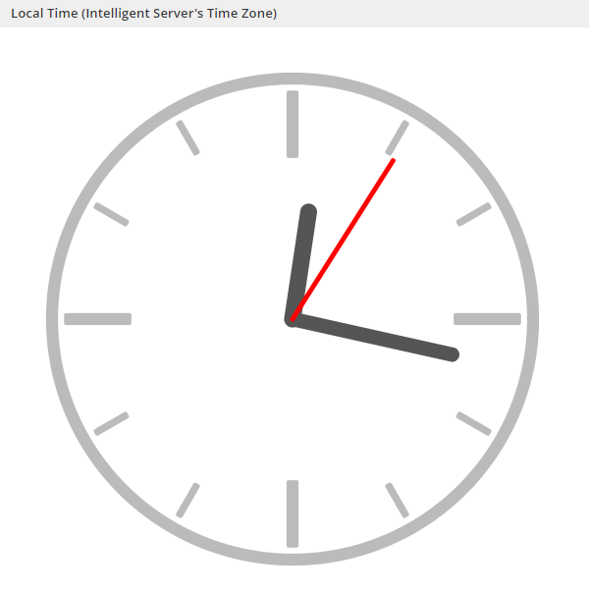 | Piotr Janeczek | Here | Local Clock displays time of Intelligent Server in a form of a moving clock. |  |  |  | Does not open. | 3 Colors: clock frame, hour & minute pointers, seconds pointer | Local Time | Concat("<svg baseProfile='full' viewBox=' 0 0 24,24 ' xmlns='http://www.w3.org/2000/svg'><circle transform='translate(12,12)' cx='0' cy='0' r='10' stroke='color 1' stroke-width='0.5' fill='transparent'></circle><g transform='translate(12,12)'>< circle cx='0' cy='0' r='.25' fill='color 1' ></circle><rect x='-0.25' y='-9.5' width='.5' height='2.8' rx='.1' ry='.1' fill='color 1' transform='rotate(0)' /><rect x='-0.25' y='-9.5' width='.5' height='2.8' rx='.1' ry='.1' fill='color 1' transform='rotate(90)' /><rect x='-0.25' y='-9.5' width='.5' height='2.8' rx='.1' ry='.1' fill='color 1' transform='rotate(180)' /><rect x='-0.25' y='-9.5' width='.5' height='2.8' rx='.1' ry='.1' fill='color 1' transform='rotate(270)' /><rect x='-0.15' y='-9.5' width='.3' height='1.6' rx='.1' ry='.1' fill='color 1' transform='rotate(30)' /><rect x='-0.15' y='-9.5' width='.3' height='1.6' rx='.1' ry='.1' fill='color 1' transform='rotate(60)' /><rect x='-0.15' y='-9.5' width='.3' height='1.6' rx='.1' ry='.1' fill='color 1' transform='rotate(120)' /><rect x='-0.15' y='-9.5' width='.3' height='1.6' rx='.1' ry='.1' fill='color 1' transform='rotate(150)' /><rect x='-0.15' y='-9.5' width='.3' height='1.6' rx='.1' ry='.1' fill='color 1' transform='rotate(210)' /><rect x='-0.15' y='-9.5' width='.3' height='1.6' rx='.1' ry='.1' fill='color 1' transform='rotate(240)' /><rect x='-0.15' y='-9.5' width='.3' height='1.6' rx='.1' ry='.1' fill='color 1' transform='rotate(300)' /><rect x='-0.15' y='-9.5' width='.3' height='1.6' rx='.1' ry='.1' fill='color 1' transform='rotate(330)' /><g id='hourhand'><line x1='0' y1='-4.5' x2='0' y2='0' stroke='color 2' stroke-linecap='round' stroke-width='.7' transform='rotate(", ((((Mod(Hour(CurrentTime()), 12)/12)*360)+((Minute(CurrentTime())/60)*30))+((Second(CurrentTime())/60)*0.5)), ")'/></g><g id='minutehand'><line x1='0' y1='-6.8' x2='0' y2='0' stroke='color 2' stroke-linecap='round' stroke-width='.6' transform='rotate(", (((Minute(CurrentTime())/60)*360)+((Second(Cur | Concat("<svg baseProfile='full' viewBox=' 0 0 24,24 ' xmlns='http://www.w3.org/2000/svg'><circle transform='translate(12,12)' cx='0' cy='0' r='10' stroke='#bbb' stroke-width='0.5' fill='transparent'></circle><g transform='translate(12,12)'>< circle cx='0' cy='0' r='.25' fill='#bbb' ></circle><rect x='-0.25' y='-9.5' width='.5' height='2.8' rx='.1' ry='.1' fill='#bbb' transform='rotate(0)' /><rect x='-0.25' y='-9.5' width='.5' height='2.8' rx='.1' ry='.1' fill='#bbb' transform='rotate(90)' /><rect x='-0.25' y='-9.5' width='.5' height='2.8' rx='.1' ry='.1' fill='#bbb' transform='rotate(180)' /><rect x='-0.25' y='-9.5' width='.5' height='2.8' rx='.1' ry='.1' fill='#bbb' transform='rotate(270)' /><rect x='-0.15' y='-9.5' width='.3' height='1.6' rx='.1' ry='.1' fill='#bbb' transform='rotate(30)' /><rect x='-0.15' y='-9.5' width='.3' height='1.6' rx='.1' ry='.1' fill='#bbb' transform='rotate(60)' /><rect x='-0.15' y='-9.5' width='.3' height='1.6' rx='.1' ry='.1' fill='#bbb' transform='rotate(120)' /><rect x='-0.15' y='-9.5' width='.3' height='1.6' rx='.1' ry='.1' fill='#bbb' transform='rotate(150)' /><rect x='-0.15' y='-9.5' width='.3' height='1.6' rx='.1' ry='.1' fill='#bbb' transform='rotate(210)' /><rect x='-0.15' y='-9.5' width='.3' height='1.6' rx='.1' ry='.1' fill='#bbb' transform='rotate(240)' /><rect x='-0.15' y='-9.5' width='.3' height='1.6' rx='.1' ry='.1' fill='#bbb' transform='rotate(300)' /><rect x='-0.15' y='-9.5' width='.3' height='1.6' rx='.1' ry='.1' fill='#bbb' transform='rotate(330)' /><g id='hourhand'><line x1='0' y1='-4.5' x2='0' y2='0' stroke='#555' stroke-linecap='round' stroke-width='.7' transform='rotate(", ((((Mod(Hour(CurrentTime()), 12)/12)*360)+((Minute(CurrentTime())/60)*30))+((Second(CurrentTime())/60)*0.5)), ")'/></g><g id='minutehand'><line x1='0' y1='-6.8' x2='0' y2='0' stroke='#555' stroke-linecap='round' stroke-width='.6' transform='rotate(", (((Minute(CurrentTime())/60)*360)+((Second(CurrentTime())/60)*6)), ")'/></g><g id='secondhand' |  |  |  |  |  |  | #bbb | #555 | red
18 | Gauge | 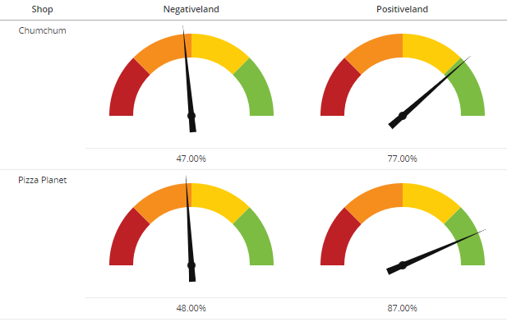 | Piotr Janaczek Requestor: Matt Pepper | Here | Gauge displays a percentage metric in a form of a semicircle divided into 4 thresholds and a pointer indicating the percentage. |  |  |  |  | 1 Metric: pointer position 7 Colors: 1st threshold, 2nd threshold, 3rd threshold, 4th threshold, inside of a semicirlce, little circle on the pointer, pointer | Gauge | Concat("<svg height='140' width='220' baseProfile='full' viewBox='0 0 11 7 ' xmlns='http://www.w3.org/2000/svg'><path d='M0.5,5.5 A5,5 0 0,1 1.964466094,1.964466094 L5.5,5.5 z' fill='color 1' /><path d='M1.964466094,1.964466094 A5,5 0 0,1 5.5,0.5 L5.5,5.5 z' fill='color 2' /><path d='M5.5,0.5 A5,5 0 0,1 9.035533906,1.964466094 L5.5,5.5 z' fill='color 3' /><path d='M9.035533906,1.964466094 A5,5 0 0,1 10.5,5.5 L5.5,5.5 z' fill='color 4' /><path d='M2,5.5 A3.5,3.5 0 0,1 9,5.5 L5.5,5.5 z' fill='color 5' stroke-width='0.1' stroke='color 5' /><circle cx='5.5' cy='5.5' r='.25' stroke-width='1' fill='color 6' />", "<path transform='rotate(", ([Metric 1]*180), " 5.5 5.5)' d='M6.5,5.3 L0,5.5 L6.5,5.7 z' stroke-width='1' fill='color 7' /></svg>") | Concat("<svg height='140' width='220' baseProfile='full' viewBox='0 0 11 7 ' xmlns='http://www.w3.org/2000/svg'><path d='M0.5,5.5 A5,5 0 0,1 1.964466094,1.964466094 L5.5,5.5 z' fill='#bd2126' /><path d='M1.964466094,1.964466094 A5,5 0 0,1 5.5,0.5 L5.5,5.5 z' fill='#f68e1e' /><path d='M5.5,0.5 A5,5 0 0,1 9.035533906,1.964466094 L5.5,5.5 z' fill='#fecd0a' /><path d='M9.035533906,1.964466094 A5,5 0 0,1 10.5,5.5 L5.5,5.5 z' fill='#7cbc42' /><path d='M2,5.5 A3.5,3.5 0 0,1 9,5.5 L5.5,5.5 z' fill='#fff' stroke-width='0.1' stroke='#fff' /><circle cx='5.5' cy='5.5' r='.25' stroke-width='1' fill='#222' />", "<path transform='rotate(", ([NPS %]*180), " 5.5 5.5)' d='M6.5,5.3 L0,5.5 L6.5,5.7 z' stroke-width='1' fill='#111' /></svg>") | NPS % |  |  |  |  |  | #bd2126 | #f68e1e | #fecd0a | #7cbc42 | #fff | #222 | #111
19 | Spark Bar Chart | 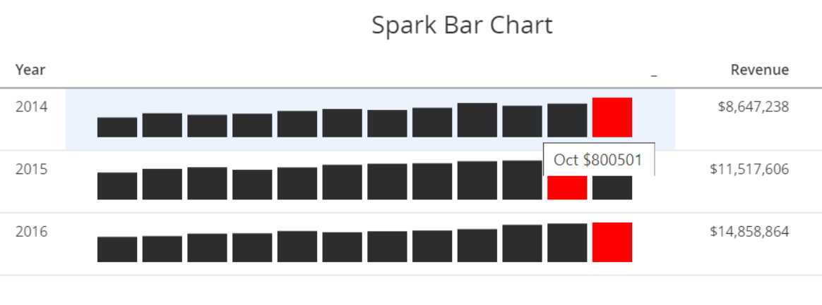 | Vincent Vikor | Here | Spark Bar Chart is a very small bar chart, presenting the general shape of the variation (typically over time) of some measurement. |  |  |  |  | 1 business metric (like Revenue) 12 month metrics (Revenue for each month) 12 color metrics for each month 1 metric for greatest value | Revenue_X | Sum(Revenue) with applied filter for Month X | We need 12 such metrics (for each month) | CC
 |  |  |  |  |  |  |  |  |  |  | color_Revenue_X | IF((Bar_greatest_year=Revenue_X), "FF0000", "2B2D2F") | We need 12 such metrics (for each month)
 |  |  |  |  |  |  |  |  |  |  | Bar_greatest | Greatest(Revenue_01, Revenue_02, Revenue_03, Revenue_04, Revenue_05, Revenue_06, Revenue_07, Revenue_08, Revenue_09, Revenue_10, Revenue_11, Revenue_12) | Greatest(CC_01, CC_02, CC_03, CC_04, CC_05, CC_06, CC_07, CC_08, CC_09, CC_10, CC_11, CC_12)
 |  |  |  |  |  |  |  |  |  |  | Bar_greatest_year | Sum(Bar_greatest){~+, Year+} | Sum(Bar_greatest){~+, Year+}
 |  |  |  |  |  |  |  |  |  |  | SparkBar | Concat(" <svg width='450' height='30'> <rect class='bar' x='10' width='30' y='", ToString((30-((Revenue_01/Bar_greatest)*30))), "' height='", ToString(((Revenue_01/Bar_greatest)*30)), "' style='fill:#", color_revenue_01, "' ><title>Jan $", Revenue_01, "</title></rect> <rect class='bar' x='44' width='30' y='", ToString((30-((Revenue_02/Bar_greatest)*30))), "' height='", ToString(((Revenue_02/Bar_greatest)*30)), "' style='fill:#", color_revenue_02, "' ><title>Feb $", Revenue_02, "</title></rect> <rect class='bar' x='78' width='30' y='", ToString((30-((Revenue_03/Bar_greatest)*30))), "' height='", ToString(((Revenue_03/Bar_greatest)*30)), "' style='fill:#", color_revenue_03, "' ><title>Mar $", Revenue_03, "</title></rect> <rect class='bar' x='112' width='30' y='", ToString((30-((Revenue_04/Bar_greatest)*30))), "' height='", ToString(((Revenue_04/Bar_greatest)*30)), "' style='fill:#", color_revenue_04, "' ><title>Apr $", Revenue_04, "</title></rect> <rect class='bar' x='146' width='30' y='", ToString((30-((Revenue_05/Bar_greatest)*30))), "' height='", ToString(((Revenue_05/Bar_greatest)*30)), "' style='fill:#", color_revenue_05, "' ><title>May $", Revenue_05, "</title></rect> <rect class='bar' x='180' width='30' y='", ToString((30-((Revenue_06/Bar_greatest)*30))), "' height='", ToString(((Revenue_06/Bar_greatest)*30)), "' style='fill:#", color_revenue_06, "' ><title>Jun $", Revenue_06, "</title></rect> <rect class='bar' x='214' width='30' y='", ToString((30-((Revenue_07/Bar_greatest)*30))), "' height='", ToString(((Revenue_07/Bar_greatest)*30)), "' style='fill:#", color_revenue_07, "' ><title>Jul $", Revenue_07, "</title></rect> <rect class='bar' x='248' width='30' y='", ToString((30-((Revenue_08/Bar_greatest)*30))), "' height='", ToString(((Revenue_08/Bar_greatest)*30)), "' style='fill:#", color_revenue_08, "' ><title>Aug $", Revenue_08, "</title></rect> <rect class='bar' x='282' width='30' y='", ToString((30-((Revenue_09/Bar_greatest)*30))), "' height='", ToString(((R | Concat(" <svg width='450' height='30'> <rect class='bar' x='10' width='30' y='", ToString((30-((CC_01/Bar_greatest)*30))), "' height='", ToString(((CC_01/Bar_greatest)*30)), "' style='fill:#", color_CC_01, "' ><title>Jan $", CC_01, "</title></rect> <rect class='bar' x='44' width='30' y='", ToString((30-((CC_02/Bar_greatest)*30))), "' height='", ToString(((CC_02/Bar_greatest)*30)), "' style='fill:#", color_CC_02, "' ><title>Feb $", CC_02, "</title></rect> <rect class='bar' x='78' width='30' y='", ToString((30-((CC_03/Bar_greatest)*30))), "' height='", ToString(((CC_03/Bar_greatest)*30)), "' style='fill:#", color_CC_03, "' ><title>Mar $", CC_03, "</title></rect> <rect class='bar' x='112' width='30' y='", ToString((30-((CC_04/Bar_greatest)*30))), "' height='", ToString(((CC_04/Bar_greatest)*30)), "' style='fill:#", color_CC_04, "' ><title>Apr $", CC_04, "</title></rect> <rect class='bar' x='146' width='30' y='", ToString((30-((CC_05/Bar_greatest)*30))), "' height='", ToString(((CC_05/Bar_greatest)*30)), "' style='fill:#", color_CC_05, "' ><title>May $", CC_05, "</title></rect> <rect class='bar' x='180' width='30' y='", ToString((30-((CC_06/Bar_greatest)*30))), "' height='", ToString(((CC_06/Bar_greatest)*30)), "' style='fill:#", color_CC_06, "' ><title>Jun $", CC_06, "</title></rect> <rect class='bar' x='214' width='30' y='", ToString((30-((CC_07/Bar_greatest)*30))), "' height='", ToString(((CC_07/Bar_greatest)*30)), "' style='fill:#", color_CC_07, "' ><title>Jul $", CC_07, "</title></rect> <rect class='bar' x='248' width='30' y='", ToString((30-((CC_08/Bar_greatest)*30))), "' height='", ToString(((CC_08/Bar_greatest)*30)), "' style='fill:#", color_CC_08, "' ><title>Aug $", CC_08, "</title></rect> <rect class='bar' x='282' width='30' y='", ToString((30-((CC_09/Bar_greatest)*30))), "' height='", ToString(((CC_09/Bar_greatest)*30)), "' style='fill:#", color_CC_09, "' ><title>Sep $", CC_09, "</title></rect> <rect class='bar' x='316' width='30' y='", ToString((30-((CC_10/B
20 | Sparkline | 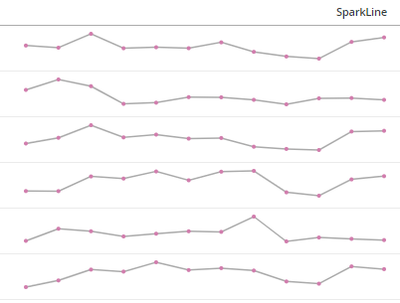 | Piotr Janeczek Requestor: Matt Pepper |  | Sparkline is a very small line chart, presenting the general shape of the variation (typically over time) of some measurement. |  |  |  |  | 15 metrics: 12 months, least and greatest value, range | SparkLine | Concat("<svg height='30' width='366' viewbox='-3 -2 366 30' baseProfile='full' xmlns='http://www.w3.org/2000/svg' version='1.1'><defs><style type='text/css'><![CDATA[ path.pj_sparkline {fill: transparent; stroke: #aaa; stroke-width:1.5;} circle.pj_sparkmarker {fill: #D17DAD; stroke: transparent; stroke-width: 0} circle.pj_sparkmarker:hover {fill: #3FB8AF;} path.pj_sparkline:hover {stroke: #777;} circle.pj_sparkmarker {transition: fill 0.55s ease;} path.pj_sparkline {transition: stroke 0.15s ease;} ]]></style></defs><path class='pj_sparkline' d='M 0 ", (25*(1-(Abs((CallCountJan-SparkLeast))/SparkRange))), " L 32.72727 ", (25*(1-(Abs((CallCountFeb-SparkLeast))/SparkRange))), " L 65.45455 ", (25*(1-(Abs((CallCountMar-SparkLeast))/SparkRange))), " L 98.18182 ", (25*(1-(Abs((CallCountApr-SparkLeast))/SparkRange))), " L 130.90909 ", (25*(1-(Abs((CallCountMay-SparkLeast))/SparkRange))), " L 163.63636 ", (25*(1-(Abs((CallCountJun-SparkLeast))/SparkRange))), " L 196.36364 ", (25*(1-(Abs((CallCountJul-SparkLeast))/SparkRange))), " L 229.09091 ", (25*(1-(Abs((CallCountAug-SparkLeast))/SparkRange))), " L 261.81818 ", (25*(1-(Abs((CallCountSep-SparkLeast))/SparkRange))), " L 294.54545 ", (25*(1-(Abs((CallCountOct-SparkLeast))/SparkRange))), " L 327.27273 ", (25*(1-(Abs((CallCountNov-SparkLeast))/SparkRange))), " L 360 ", (25*(1-(Abs((CallCountDec-SparkLeast))/SparkRange))), "'/>", "<circle class='pj_sparkmarker' cx='0' cy='", (25*(1-(Abs((CallCountJan-SparkLeast))/SparkRange))), "' r='2' ><title>January: ", ToString<Pattern="#0;(#0)">(CallCountJan), "</title></circle><circle class='pj_sparkmarker' cx='32.72727' cy='", (25*(1-(Abs((CallCountFeb-SparkLeast))/SparkRange))), "' r='2' ><title>February: ", ToString<Pattern="#0;(#0)">(CallCountFeb), "</title></circle><circle class='pj_sparkmarker' cx='65.45455' cy='", (25*(1-(Abs((CallCountMar-SparkLeast))/SparkRange))), "' r='2' ><title>March: ", ToString<Pattern="#0;(#0)">(CallCountMar), "</title></circle><circle class='pj_sparkmark | Generator is on 'Sparkline Generator' sheet
21 | Radial Bar chart | 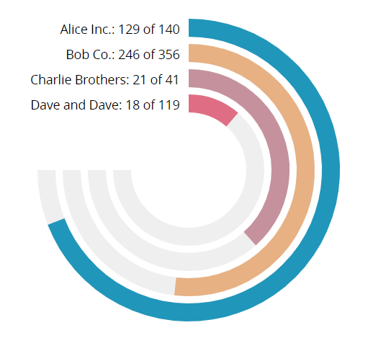 | Piotr Janeczek Requestor: Victor Oliveira |  | A Radial/Circular Bar Chart is simply a Bar Chart plotted on a polar coordinate system, rather than on a Cartesian one. |  |  |  |  | 2*X support metrics, where X is number of attribute forms (for example if you have 4 companies you need 4 gamma metrics and 4 label metrics), 1 attribute (i.e. Company) for which we create chart. IDs must be numerated from 1. It has a green field 2 metrics (i.e. Successful Attempts & Attempts) to create bar, showing percentage of fulfillment | Gamma_1 | (((((Sum<UseLookupForAttributes=False>(Case((Metric 3@ID=1), [Metric 1], 0)){~+}/Sum<UseLookupForAttributes=False>(Case((Metric 3@ID=1), Metric 2, 0)){~+})*2)*2)*Asin(1))*3)/4 | (((((Sum<UseLookupForAttributes=False>(Case((Company@ID=1), [Successful Attempts], 0)){~+}/Sum<UseLookupForAttributes=False>(Case((Company@ID=1), Attempts, 0)){~+})*2)*2)*Asin(1))*3)/4 | Successful Attempts | Attempts | Company
 |  |  |  |  |  |  |  |  |  |  | Gamma_2 | (((((Sum<UseLookupForAttributes=False>(Case((Metric 3@ID=2), [Metric 1], 0)){~+}/Sum<UseLookupForAttributes=False>(Case((Metric 3@ID=2), Metric 2, 0)){~+})*2)*2)*Asin(1))*3)/4 | (((((Sum<UseLookupForAttributes=False>(Case((Company@ID=2), [Successful Attempts], 0)){~+}/Sum<UseLookupForAttributes=False>(Case((Company@ID=2), Attempts, 0)){~+})*2)*2)*Asin(1))*3)/4
 |  |  |  |  |  |  |  |  |  |  | Gamma_3 | (((((Sum<UseLookupForAttributes=False>(Case((Metric 3@ID=3), [Metric 1], 0)){~+}/Sum<UseLookupForAttributes=False>(Case((Metric 3@ID=3), Metric 2, 0)){~+})*2)*2)*Asin(1))*3)/4 | (((((Sum<UseLookupForAttributes=False>(Case((Company@ID=3), [Successful Attempts], 0)){~+}/Sum<UseLookupForAttributes=False>(Case((Company@ID=3), Attempts, 0)){~+})*2)*2)*Asin(1))*3)/4
 |  |  |  |  |  |  |  |  |  |  | Gamma_4 | (((((Sum<UseLookupForAttributes=False>(Case((Metric 3@ID=4), [Metric 1], 0)){~+}/Sum<UseLookupForAttributes=False>(Case((Metric 3@ID=4), Metric 2, 0)){~+})*2)*2)*Asin(1))*3)/4 | (((((Sum<UseLookupForAttributes=False>(Case((Company@ID=4), [Successful Attempts], 0)){~+}/Sum<UseLookupForAttributes=False>(Case((Company@ID=4), Attempts, 0)){~+})*2)*2)*Asin(1))*3)/4
 |  |  |  |  |  |  |  |  |  |  | Label_1 | Concat(Max<UseLookupForAttributes=False>(Case((Metric 3@ID=1), Metric 3@DESC, "")){~+}, ": ", Sum<UseLookupForAttributes=False>(Case((Metric 3@ID=1), [Metric 1], 0)){~+}, " of ", Sum<UseLookupForAttributes=False>(Case((Metric 3@ID=1), Metric 2, 0)){~+}) | Concat(Max<UseLookupForAttributes=False>(Case((Company@ID=1), Company@DESC, "")){~+}, ": ", Sum<UseLookupForAttributes=False>(Case((Company@ID=1), [Successful Attempts], 0)){~+}, " of ", Sum<UseLookupForAttributes=False>(Case((Company@ID=1), Attempts, 0)){~+})
 |  |  |  |  |  |  |  |  |  |  | Label_2 | Concat(Max<UseLookupForAttributes=False>(Case((Metric 3@ID=2), Metric 3@DESC, "")){~+}, ": ", Sum<UseLookupForAttributes=False>(Case((Metric 3@ID=2), [Metric 1], 0)){~+}, " of ", Sum<UseLookupForAttributes=False>(Case((Metric 3@ID=2), Metric 2, 0)){~+}) | Concat(Max<UseLookupForAttributes=False>(Case((Company@ID=2), Company@DESC, "")){~+}, ": ", Sum<UseLookupForAttributes=False>(Case((Company@ID=2), [Successful Attempts], 0)){~+}, " of ", Sum<UseLookupForAttributes=False>(Case((Company@ID=2), Attempts, 0)){~+})
 |  |  |  |  |  |  |  |  |  |  | Label_3 | Concat(Max<UseLookupForAttributes=False>(Case((Metric 3@ID=3), Metric 3@DESC, "")){~+}, ": ", Sum<UseLookupForAttributes=False>(Case((Metric 3@ID=3), [Metric 1], 0)){~+}, " of ", Sum<UseLookupForAttributes=False>(Case((Metric 3@ID=3), Metric 2, 0)){~+}) | Concat(Max<UseLookupForAttributes=False>(Case((Company@ID=3), Company@DESC, "")){~+}, ": ", Sum<UseLookupForAttributes=False>(Case((Company@ID=3), [Successful Attempts], 0)){~+}, " of ", Sum<UseLookupForAttributes=False>(Case((Company@ID=3), Attempts, 0)){~+})
 |  |  |  |  |  |  |  |  |  |  | Label_4 | Concat(Max<UseLookupForAttributes=False>(Case((Metric 3@ID=4), Metric 3@DESC, "")){~+}, ": ", Sum<UseLookupForAttributes=False>(Case((Metric 3@ID=4), [Metric 1], 0)){~+}, " of ", Sum<UseLookupForAttributes=False>(Case((Metric 3@ID=4), Metric 2, 0)){~+}) | Concat(Max<UseLookupForAttributes=False>(Case((Company@ID=4), Company@DESC, "")){~+}, ": ", Sum<UseLookupForAttributes=False>(Case((Company@ID=4), [Successful Attempts], 0)){~+}, " of ", Sum<UseLookupForAttributes=False>(Case((Company@ID=4), Attempts, 0)){~+})
 |  |  |  |  |  |  |  |  |  |  | Radial Chart | Concat("<svg height='400' width='400' xmlns='http://www.w3.org/2000/svg'><g transform='translate(200,200)'><path d='M0,-158 A158,158 0 1 1 -158,0 ' fill='transparent' stroke-width='20' stroke='#efefef' /><path d='M0,-158 A158,158 0 ", Case((Gamma_1>(2*Asin(1))), 1, 0), " 1 ", (158*Sin(Gamma_1)), ",", (-158*Cos(Gamma_1)), " ' fill='transparent' stroke-width='20' stroke='#2096BA' /><path d='M0,-130 A130,130 0 1 1 -130,0' fill='transparent' stroke-width='20' stroke='#efefef' /><path d='M0,-130 A130,130 0 ", Case((Gamma_2>(2*Asin(1))), 1, 0), " 1 ", (130*Sin(Gamma_2)), ",", (-130*Cos(Gamma_2)), " ' fill='transparent' stroke-width='20' stroke='#E7B183' /><path d='M0,-102 A102,102 0 1 1 -102,0 ' fill='transparent' stroke-width='20' stroke='#efefef' /><path d='M0,-102 A102,102 0 ", Case((Gamma_3>(2*Asin(1))), 1, 0), " 1 ", (102*Sin(Gamma_3)), ",", (-102*Cos(Gamma_3)), " ' fill='transparent' stroke-width='20' stroke='#C5919D' /><path d='M0,-74 A74,74 0 1 1 -74,0 ' fill='transparent' stroke-width='20' stroke='#efefef' /><path d='M0,-74 A74,74 0 ", Case((Gamma_4>(2*Asin(1))), 1, 0), " 1 ", (74*Sin(Gamma_4)), ",", (-74*Cos(Gamma_4)), " ' fill='transparent' stroke-width='20' stroke='#DF6E84' /></g><g transform='translate(0,1)'><text x='190' y='44' font-size='14' dominant-baseline='middle' text-anchor='end'>", Label_1, "</text><text x='190' y='72' font-size='14' dominant-baseline='middle' text-anchor='end'>", Label_2, "</text><text x='190' y='100' font-size='14' dominant-baseline='middle' text-anchor='end'>", Label_3, "</text><text x='190' y='128' font-size='14' dominant-baseline='middle' text-anchor='end'>", Label_4, "</text></g></svg>") | Concat("<svg height='400' width='400' xmlns='http://www.w3.org/2000/svg'><g transform='translate(200,200)'><path d='M0,-158 A158,158 0 1 1 -158,0 ' fill='transparent' stroke-width='20' stroke='#efefef' /><path d='M0,-158 A158,158 0 ", Case((Gamma_1>(2*Asin(1))), 1, 0), " 1 ", (158*Sin(Gamma_1)), ",", (-158*Cos(Gamma_1)), " ' fill='transparent' stroke-width='20' stroke='#2096BA' /><path d='M0,-130 A130,130 0 1 1 -130,0' fill='transparent' stroke-width='20' stroke='#efefef' /><path d='M0,-130 A130,130 0 ", Case((Gamma_2>(2*Asin(1))), 1, 0), " 1 ", (130*Sin(Gamma_2)), ",", (-130*Cos(Gamma_2)), " ' fill='transparent' stroke-width='20' stroke='#E7B183' /><path d='M0,-102 A102,102 0 1 1 -102,0 ' fill='transparent' stroke-width='20' stroke='#efefef' /><path d='M0,-102 A102,102 0 ", Case((Gamma_3>(2*Asin(1))), 1, 0), " 1 ", (102*Sin(Gamma_3)), ",", (-102*Cos(Gamma_3)), " ' fill='transparent' stroke-width='20' stroke='#C5919D' /><path d='M0,-74 A74,74 0 1 1 -74,0 ' fill='transparent' stroke-width='20' stroke='#efefef' /><path d='M0,-74 A74,74 0 ", Case((Gamma_4>(2*Asin(1))), 1, 0), " 1 ", (74*Sin(Gamma_4)), ",", (-74*Cos(Gamma_4)), " ' fill='transparent' stroke-width='20' stroke='#DF6E84' /></g><g transform='translate(0,1)'><text x='190' y='44' font-size='14' dominant-baseline='middle' text-anchor='end'>", Label_1, "</text><text x='190' y='72' font-size='14' dominant-baseline='middle' text-anchor='end'>", Label_2, "</text><text x='190' y='100' font-size='14' dominant-baseline='middle' text-anchor='end'>", Label_3, "</text><text x='190' y='128' font-size='14' dominant-baseline='middle' text-anchor='end'>", Label_4, "</text></g></svg>")
22 | Half-Doughnut Chart | 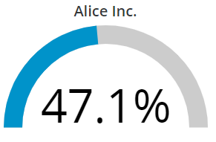 | Piotr Janeczek |  | Half-Doughnut, like a gauge, presents a percentage metric (i.e. fulfillment of the target) on a curved bar, with an exact number below. |  |  |  |  | 1 metric: Successful Attempts divided by Attempts and shown as percentage 4 colors for thresholds | SVG Half-Dougnut | Concat("<svg width='220' height='130' baseProfile='full' viewBox='0 0 440 240 ' xmlns='http://www.w3.org/2000/svg'><g transform='translate(220,220) rotate(-90 0 0) '><path d='M0,-200 A200,200 0 0,1 0,200' fill='transparent' stroke-width='40' stroke='#cccccc' /><path d='M0,-200 A200,200 0 0,1 ", (200*Sin(((Least(Metric 1, 1)*2)*Asin(1)))), ",", (-200*Cos(((Least(Metric 1, 1)*2)*Asin(1)))), "' fill='transparent' stroke-width='40' stroke='", Case((Metric 1<0.35), "Color 1", (Metric 1<0.55), "Color 2", (Metric 1<1), "Color 3", "Color 4"), "' />", "</g><text x='220' y='210' dominant-baseline='baseline' font-size='110' text-anchor='middle'>", ToString<Pattern="0%;(0%)">(Metric 1), "</text></svg>") | Concat("<svg width='220' height='130' baseProfile='full' viewBox='0 0 440 240 ' xmlns='http://www.w3.org/2000/svg'><g transform='translate(220,220) rotate(-90 0 0) '><path d='M0,-200 A200,200 0 0,1 0,200' fill='transparent' stroke-width='40' stroke='#cccccc' /><path d='M0,-200 A200,200 0 0,1 ", (200*Sin(((Least(Efficiency, 1)*2)*Asin(1)))), ",", (-200*Cos(((Least(Efficiency, 1)*2)*Asin(1)))), "' fill='transparent' stroke-width='40' stroke='", Case((Efficiency<0.35), "#F1433F", (Efficiency<0.55), "#F4E453", (Efficiency<1), "#0093CA", "#50B848"), "' />", "</g><text x='220' y='210' dominant-baseline='baseline' font-size='110' text-anchor='middle'>", ToString<Pattern="0%;(0%)">(Efficiency), "</text></svg>") | Efficiency |  |  |  |  |  | #F1433F | #F4E453 | #0093CA | #50B848
Future Pipleline:
23 | Gantt Chart | 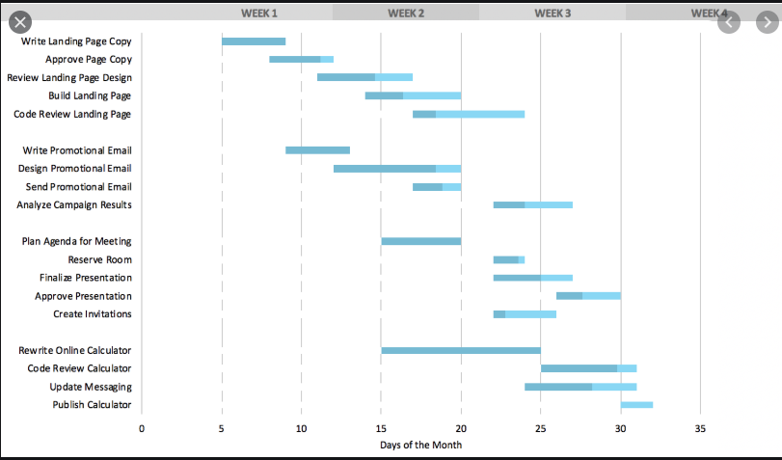 | Requestor: Matt Pepper

